Code Snippet 4
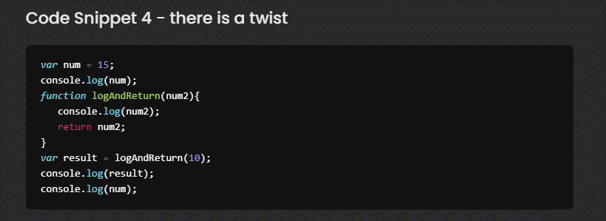

 |  | name | value
 |  | num | 15 | num2 | 10
 |  | result | logAndReturn(10); | return | 10
 |  |  | 10

Console -
1 | 15
2 | 10
3 | 10
4 | 15
5
6
7
8
9
10
11
12
13
14
15
16
17
18
19
20
21

Code Snippet 5
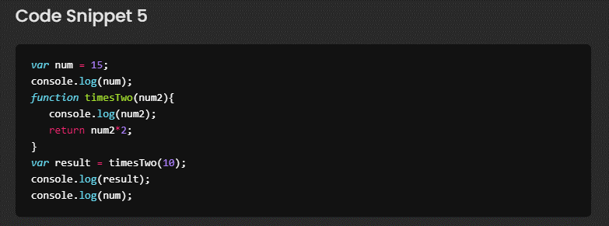

 |  | name | value
 |  | num | 15 | num2 | 10
 |  | result | timesTwo(10); | result | 20
 |  |  | 20

Console -
1 | 15
2 | 10
3 | 20
4 | 15
5
6
7
8
9
10
11
12
13
14
15
16
17
18
19
20
21

Code Snippet 10
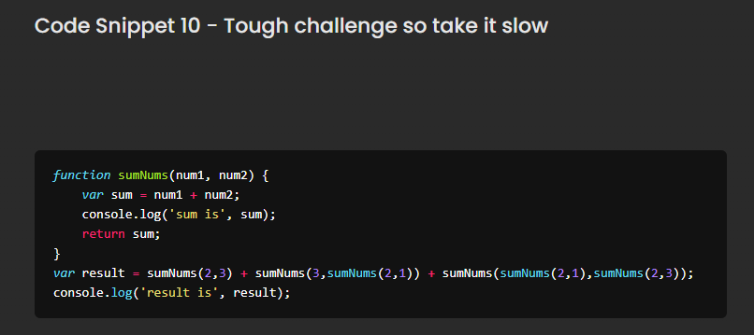

 |  | name | value
 |  | result | 19
 |  | sumNums(2,3) | 5
 |  | sumNums(3,3) | 6
 |  | sumNums(2,1) | 3
 |  | sumNums(3,5); | 8
 |  | sumNums(2,1) | 3
 |  | sumNums(2,3) | 5

 |  | num1 | 2 | num1 | 2 | num1 | 3
 |  | num2 | 3 | num2 | 1 | num2 | 3
 |  | sum | 5 | sum | 3 | sum | 6
 |  | return | 5 | return | 3 | return | 6

Console -
1 | sum is 5
2 | sum is 3
3 | sum is 6
4 | sum is 3
5 | sum is 5 | num1 | 2 | num1 | 2 | num1 | 3
6 | sum is 8 | num2 | 1 | num2 | 3 | num2 | 5
7 | result is 19 | sum | 3 | sum | 5 | sum | 8
8 |  | return | 3 | return | 5 | return | 8
9
10
11
12
13
14
15
16
17
18
19
20
21

